Sheet2
Patch Status Report

Service Organization: |  | ServIT, Inc.

As of Date: |  | Jul 28, 2026

 | 

Sheet4
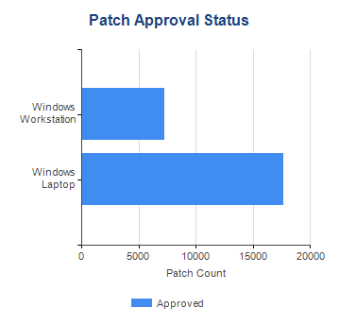
Patch Summary

 | Devices That Are Up To Date
 | 42%

Sheet5
Patch Status by Customer

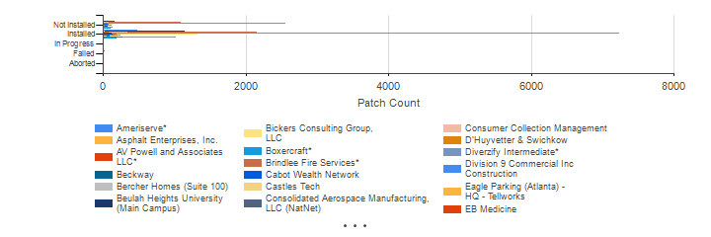

Customer | Patch Status | Count
Ameriserve* | Failed | 3
 | Installed | 477
 | Not Installed | 119
Asphalt Enterprises, Inc. | Installed | 45
 | Not Installed | 13
AV Powell and Associates LLC* | Installed | 143
 | Not Installed | 10
Beckway | In Progress | 1
 | Installed | 473
 | Not Installed | 161
Bercher Homes (Suite 100) | In Progress | 1
 | Installed | 95
 | Not Installed | 12
Beulah Heights University (Main Campus) | Failed | 8
 | In Progress | 1
 | Installed | 1141
 | Not Installed | 72
Bickers Consulting Group, LLC | Installed | 25
 | Not Installed | 3
Boxercraft* | Failed | 1
 | Installed | 597
 | Not Installed | 88
Brindlee Fire Services* | Failed | 20
 | In Progress | 3
 | Installed | 2148
 | Not Installed | 1082
Cabot Wealth Network | Installed | 10
 | Not Installed | 1
Castles Tech | Failed | 1
 | Installed | 335
 | Not Installed | 75
Consolidated Aerospace Manufacturing, LLC (NatNet) | Installed | 12
Consumer Collection Management | Failed | 5
 | Installed | 329
 | Not Installed | 72
D’Huyvetter & Swichkow | Failed | 1
 | In Progress | 1
 | Installed | 80
 | Not Installed | 6
Diverzify Intermediate* | Failed | 13
 | In Progress | 10
 | Installed | 7236
 | Not Installed | 2559
Division 9 Commercial Inc Construction | Installed | 123
 | Not Installed | 57
Eagle Parking (Atlanta) - HQ - Tellworks | Installed | 10
 | Not Installed | 7
EB Medicine | Installed | 60
 | Not Installed | 1
Empire Parking Services HQ - - Tellworks | Installed | 3
Fluid Control Services | Installed | 49
 | Not Installed | 13
Galt Pharmaceuticals, LLC. | Installed | 115
 | Not Installed | 53
General Wholesale* | In Progress | 1
 | Installed | 1329
 | Not Installed | 133
Georgia Baptist Foundation | In Progress | 1
 | Installed | 70
 | Not Installed | 73
Geosurvey LTD | Failed | 1
 | Installed | 191
 | Not Installed | 46
German American Chamber of Commerce* | In Progress | 1
 | Installed | 133
 | Not Installed | 58
Grissom Services Inc | Installed | 24
Habitat for Humanity of NW Metro Atlanta | Installed | 60
 | Not Installed | 6
Habitat for Humanity of NW Metro Atlanta ReStore | Installed | 22
 | Not Installed | 32
HEFCO | Installed | 50
 | Not Installed | 50
InReach Community DX | Installed | 237
 | Not Installed | 126
J&A Engineering LLC | Installed | 155
 | Not Installed | 31
Legis Consultancy | Installed | 40
 | Not Installed | 2
Omni Connection International | In Progress | 1
 | Installed | 21
 | Not Installed | 11
Pagnotti Enterprises, Inc | Aborted | 1
 | Installed | 88
 | Not Installed | 26
Palmer Engineering Company | Installed | 167
 | Not Installed | 7
Patriot Select Property and Casualty Ins. Co.* | Installed | 171
 | Not Installed | 59
Personal Care Physicians of Atlanta | Installed | 199
 | Not Installed | 9
Preferred Personnel Solutions* | In Progress | 1
 | Installed | 85
 | Not Installed | 22
RTCO Packaging LLC | Installed | 43
 | Not Installed | 3
Schaefer Container Systems North America, Inc | Installed | 12
SECO (Ft. Worth, TX) | Installed | 50
 | Not Installed | 18
SECO (Garland) | Failed | 1
 | Installed | 76
 | Not Installed | 16
SECO (HQ Southeast Consolidators) | Failed | 1
 | In Progress | 2
 | Installed | 354
 | Not Installed | 71
SKL'D Staffing Holdco, LLC* | In Progress | 1
 | Installed | 94
 | Not Installed | 23
Soteria Flexibles (HQ)* | Aborted | 1
 | Failed | 2
 | In Progress | 1
 | Installed | 1012
 | Not Installed | 138
Sunbelt Displays | Failed | 5
 | Installed | 133
 | Not Installed | 27
The Searchlogix Group | Installed | 17
Thomas and Brown* | Failed | 1
 | Installed | 271
 | Not Installed | 34
TLM Transport | Installed | 76
 | Not Installed | 12
Turner Chapel AME Church (Main Location) | Installed | 92
 | Not Installed | 22
ViscoTec America Inc. | Failed | 1
 | Installed | 131
 | Not Installed | 6
WLM Contracting | Installed | 75
 | Not Installed | 10
Worley, Schilling & Randall | In Progress | 1
 | Installed | 187
 | Not Installed | 106

